Quenstionaire
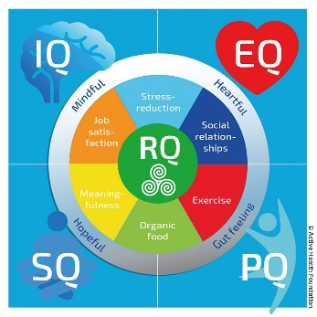
 |  | Personal data
Name
Surname
date of birth (day-month-year)
m/f
Lenght (in cm)
Weight (in kg)
 |  | Lifestyle circle questionnaire
Below are a number of statements where you indicate with a number to what extent the statement applies to you. The number 1 indicates that the statement is definitely not applicable and the number 10 is completely applicable. There is no right or wrong answer. Try to give your answer as much as possible on feeling and intuition (average duration 5 min). You can see your profile on the worksheet "Explanation"
 | Questions | . | .. | Score
1 | voornaam
2 | I am busy with things that inspire me
3 | I feel calm, stable and confident
4 | I know what is important to me
5 | I am happy and satisfied with my life
6 | I regularly think about questions such as: how am I really doing?
7 | I don't easily get out of balance
8 | I am positive and often think in terms of possibilities
9 | I know what my qualities, pitfalls and challenges are
10 | I feel understood (by others)
11 | I get satisfaction from my work
12 | I am flexible with changes at work
13 | The environment in which I work inspires me
14 | The atmosphere at my work is very good
15 | I expect to be able to continue doing the same work in the future
16 | I feel appreciated at work
17 | I can decide how I approach my work
18 | I can use my qualities and skills in my work
19 | I don't experience any stress at work right now
20 | I am given the space and opportunities to continue developing myself
21 | I recognize stress signals in me
22 | When I come home I can let go of work
23 | I am flexible with changes in my life
24 | In my daily life I relax enough
25 | I am not experiencing stress at the moment
26 | I can deal effectively with my feelings and emotions
27 | Despite pressure, I can handle my job well
28 | I experience a good balance between my work and private life
29 | I am not sensitive to stress
30 | I have enough energy throughout the day
31 | I can remain myself in contact with others
32 | I have healthy relationships at home and in my environment
33 | I communicate with other people with respect. I actively listen when others are talking
34 | I am described as compassionate, friendly and considerate
35 | I make contact easily
36 | Social contacts with my colleagues at work are good
37 | I have regular contact with my friends and / or family
38 | I have good contact with my manager
39 | If anything occurs, people can always count on me
40 | I am aware of my emotions and feelings
41 | I eat at least 500 grams of fruit / vegetables in a day
42 | I hardly eat any snacks in a day
43 | I eat unprocessed and organic food as much as possible
44 | I drink 1.5 to 2 liters of water a day
45 | I do not smoke
46 | I am satisfied with my body
47 | I hardly drink (no more 1 glass of alcohol per day on average)
48 | I sleep at least 7 hours a night a night
49 | I wake up rested in the morning
50 | I regularly use dietary supplements or vitamins
51 | I don't sit more than 6 hours a day
52 | After sitting for 30 minutes, I get up and move a bit
53 | I spend time and attention at least twice a week on strength and muscle strengthening activities
54 | I exercise moderately intensively for at least 150 minutes a week (walking, cycling, household, gardening)
55 | I can also work standing up at work
56 | I am often active, I can't do anything right
57 | My condition is good
58 | I give my energy level a 7 or higher
59 | I am healthy and I am not treated by a doctor
60 | I have a bowel movement every day
61 | I realize that I am responsible for the quality of my life
62 | I take control of my health and vitality myself
63 | I mainly focus on those things that I can influence
64 | I realize goals that I set myself
65 | I can set goals that I love
66 | If it doesn't go the way I want, I push through, try again
67 | I take good care of myself
68 | I think in possibilities instead of problems
69 | I dare to ask for help
70 | My life energizes me

© Active Health Foundation

Explanation
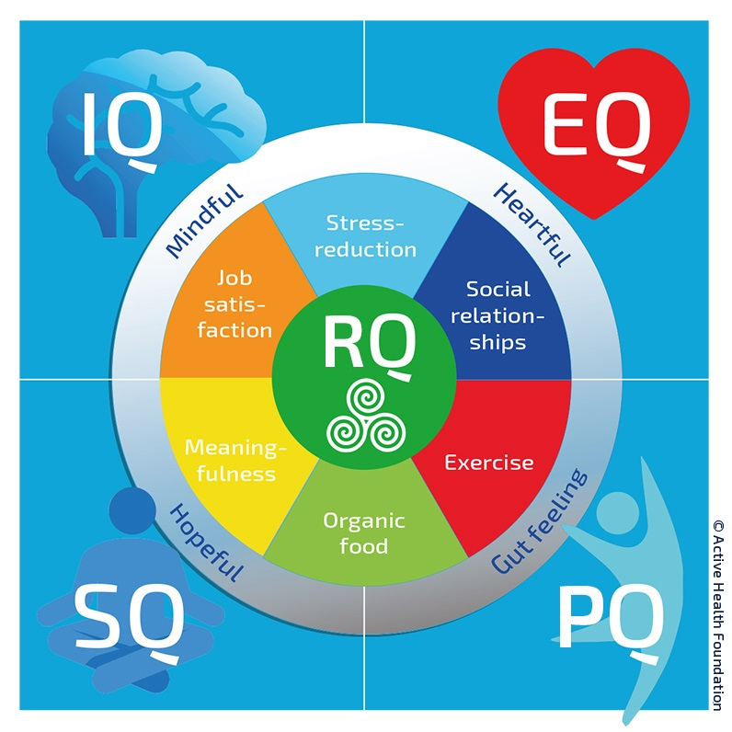
 | m/f |  | age | year
 | Lenght (in cm) | cm | Weight (in kg) | kg
 |  |  | Body Mass Index | kg/m2
 | Uitkomst per thema | Veerkracht
Stressreductie | 0 | 0
Sociale relaties | 0 | 0
Beweging | 0 | 0
Biologische Voeding | 0 | 0
Zingeving | 0 | 0
Werktevredenheid | 0 | 0
 | Explanation of the lifestyle circle questionnaire
 | The Lifestyle Circle questionnaire reflects how you currently feel and the extent to which you are in balance with the various lifestyle components. The greater your resilience, the easier you can deal with an imbalance. The graph on the left shows your answers to the statements. When you score optimally on all themes, you will see a purple hexagon that touches the gray circle. The same goes for your resilience outcome. This is symbolized by the green hexagon.

 | VQ = Resilience. Resilience says something about whether you focus your attention on things that can influence you or whether you focus your energy on things that are beyond your control. It also says something about your focus and the extent to which you take control of how your life goes.

 | Each theme is clustered into a main group (IQ, SQ, FQ, EQ) because themes are linked together. Below you will find your score and corresponding explanation for each main group.

IQ - job satisfaction and stress Does the work you do and / or the organization / department where you work give you satisfaction and can you put your qualities into your work? Are you a brooder or can you let go of experienced stress? | FQ - movement and organic food Nutrition that is pure and unprocessed and sufficient exercise give you energy, strength and zest for life. What you put in your mouth every day: is that high-calorie filling or energizing food? Do you do the shopping by car or do you prefer cycling in the fresh air?

 | % | % verschil
IQ | 0% | 100%
SQ | 0% | 100%
VQ | 0% | 100%
EQ | 0% | 100%
FQ | 0% | 100%

SQ - meaning and organic food Your attitude to life determines your health and vitality. How are you in life: do you see a half full or a half empty glass? What things in life feed your lust for life? What makes sense of your life? | EQ - social relationships and stress reduction To what extent are you in contact with yourself, with your feelings and emotions? What is the quality of your relationships with others such as friends, family and colleagues? Can you deal effectively with emotions and live through, accept and let go of stressful experiences?

The meaning of the words in the gray circle: |  |  | Active Health Group
Mindful = doing things with full attention |  |  | Folkert Elsingastraat 38
Heartful = daring to follow your heart and doing things from your heart |  |  | 3067 NW Rotterdam
Gutfeeling = daring to listen to your intuition
Hopeful = with (self) compassion and a hopeful / positive outlook |  |  | Postbus 8234
 |  |  | 3009 AE Rotterdam
If you include these 4 elements in your way of life, you will experience more happiness and health.
The terms are not bound to a Quotient. |  |  | info@activehealthgroup.nl
 |  |  | 088 - 28 66 055
© Active Health Foundation

